Instructions
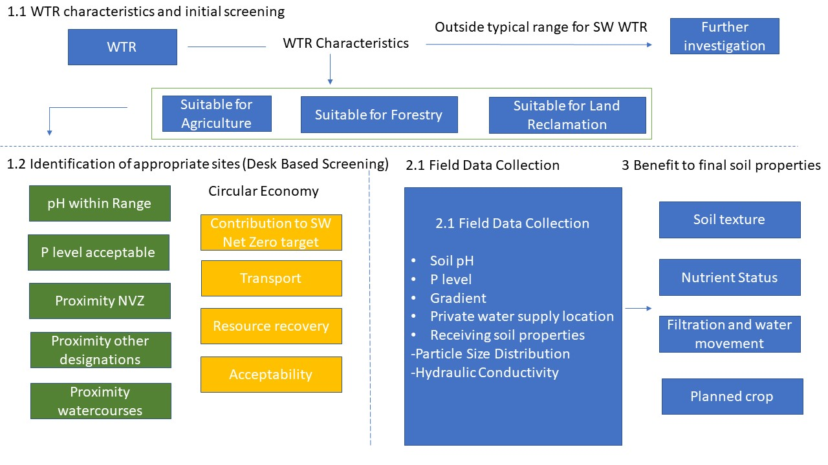
Stage 1 WTR characteristics and initial screening
Stage 1.1: Stage 1.1 allows the WTR from a WTW to be compared with expected range arising from Scottish WTWs, and previous results from the individual WTW across a range of characteristics. If the tool automatically flags any parameters outside expected ranges to highlight where more detailed agronomic review may be required. ACTION: Add WTR sample data into Column B Stage 1.2: Identification of appropriate sites. This initial desk-based screening stage will use existing mapping data to help determine appropriate areas of Scotland’s soils. Appropriateness will be based on key screening criteria and analysis of additional circular economy benefits. The screening criteria were developed based on the result of literature review and considerations expressed by PSG, where green criteria are physical and gold are circular economy. The first step in the screening stage is the identification of farmer, landowner or restoration site willingness to accept WTR for spreading to land. It is anticipated that Stage 1.2 may only be needed when first establishing potential locations for a WTR arising from SW WTW as it will exclude less preferable locations for spreading, saving the time and cost required for site-based data collection. The tool automatically flags any parameters out with expected range for further analysis (ADD). Plant tab available for the future addition of individual WTW. ACTION: Use the existing map links to support desk based screening.
Stage 2 Identification of appropriate sites
Stage 2.1 Field Data Collection identifies information required to be collected on site and a description of the method of data collection. Following field data entry, the tool will identify based on pH and P level from SAC Interpretation whether it is likely WTR can be applied at this location. Other site considerations are also stated. ACTION: Add field data findings to Column C, 2 green cells (rows 17 &18 indicate suitable location or not). Note: an appropriate risk assessment will be required by SEPA for a paragraph 7 exemption.
Stage 3 Benefit to final soil properties
Stage 3.1: This stage identifies the benefit of adding WTR to different land uses. The benefits are similar for each land use type, but the application rate and timescale for benefit are different. Stage 3.2: This stage calculates the maximum application rate for the WTR data entered in Stage 1. It references the need for nutrients for 2 crop types and land reclamation to 20 cm. The Decision Support Framework is a screening tool only. In this respect it can tell what is likely to be a maximum suitable spread rate based on the WTR. This tool cannot provide the expertise of an agriculture adviser, given that there are more land uses and recent soil analysis data needs to be taken into consideration when determining the application rate for a certain field. ACTION: As part of the paragraph 7 exemption application an agricultural advisor should be engaged to determine application rate.

Boundary
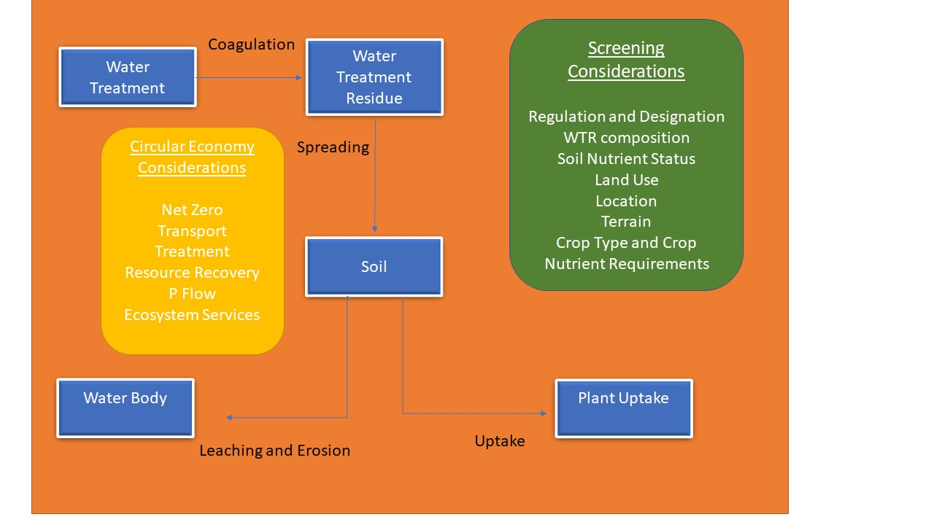
Decision Support Framework Guidance & Boundary
The Decision Support Framework will support Scottish Water to explore the application to land of WTR and encourage the consideration of additional benefits to the circular economy from spreading WTR to land and further understanding of the benefits of this for soil physical properties

The Decision Support Framework has a 3-stage structure:
Stage 1: WTR Characteristics
Stage 2: Field data collection.
Stage 3: Identification of benefit to final soil properties.

 | D

